Managed Ethernet Switch
Shenzhen SmartByte Technology Co.,Ltd Address.: 1602, Huiqing Science & Technology Park, Dafu Industrial Area, Kukeng Community, Guanlan, Longhua District, Shenzhen, China Web: www.smartbyte-switch.com E-mail: peter@smartbyte.com.cn Mobile/Wechat/Whatsapp/Skype: +8618938064521
Picture | Model | Description | 未税价格/RMB | Power supply optional | Remark
Layer 3 Managed Ethernet Switches, 10G uplink series (Supports static and dynamic routing, RIP, OSPF, BGP4,ECMP, VRRP…..) |  |  |  |  | 相比2024.1.9的价格降低了
 | LT-S8528XG-4XS24GT | 4*10G/2.5G/1G SFP+ ports ，24*10/100/1000M RJ45 ports, without SFP module, Layer 3 management | ￥1,300 | 1*AC 1*DC 2*AC AC+DC | 200
 | LT-S8528XGP-4XS24GT | 4*10G/2.5G/1G SFP+ ports ，24*10/100/1000M RJ45 ports, without SFP module, Layer 3 management ,single AC power supply 440W, PoE power budget 400W | ￥1,700 | 1*AC 2*AC AC+DC 850W optional | 200
 | LT-IS8528XG-4XS16GT8GC | 4*10G/2.5G/1G SFP+ slots，16*10/100/1000M RJ45 ports，8*GE COMBO ports, without SFP module, Layer 3 management | ￥1,600 | 1*AC 1*DC 2*AC AC+DC | 200
 | LT-IS8528XGP-4XS16GT8GC | 4*10G/2.5G/1G SFP+ slots，16*10/100/1000M RJ45 ports，8*GE COMBO ports, without SFP module, Layer 3 management, single AC power supply 440W, PoE power budget 400W | ￥2,000 | 1*AC 2*AC AC+DC 850W optional | 200
 | LT-S8528XG-4XS16GX8GC | 4*10G/2.5G/1G SFP+ slots，16*1G SFP ports，8*GE COMBO ports, without SFP module, Layer 3 management | ￥1,900 | 1*AC 1*DC 2*AC AC+DC | 200
 | LT-S8552XG-4XS48GT | 4*10G/2.5G/1G SFP+ ports ，48*10/100/1000M RJ45 ports, without SFP module, Layer 3 management | ￥2,400 | 1*AC 1*DC 2*AC AC+DC | 200
 | LT-S8552XGP-4XS48GT | 4*10G/2.5G/1G SFP+ ports ，48*10/100/1000M RJ45 ports, without SFP module, Layer 3 management , single AC power supply 440W, PoE power budget 400W | ￥2,900 | 1*AC 2*AC AC+DC 850W optional | 200
 | LT-S8552XG-4XS48GX | 4*1G/2.5G/10G SFP+ ports ，48*1G SFP ports, without SFP module, Layer 3 management, single AC power supply | ￥3,300 | 1*AC 1*DC 2*AC AC+DC | 200
Layer 2+ Managed Ethernet Switch Non-PoE/PoE Series(Support DHCP server, IPv4/IPv6 static routing)
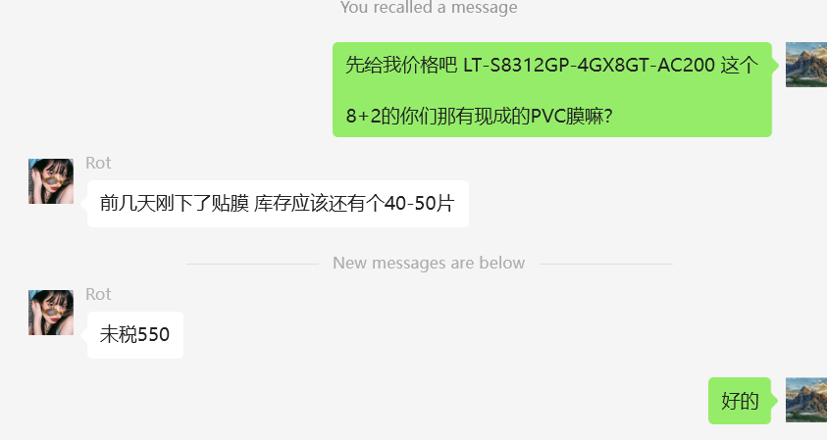
 | LT-S8310G-2GX8GT | L2+, 8*10/100/1000Base-T + 4*1G/2.5G SFP | ￥380 |  | 50
 | LT-S8310GP-2GX8GT | L2+, 8*10/100/1000Base-T PoE + 4*1G/2.5G SFP, 120W power supply | ￥450 |  | 50
之前的价格 未作更新 | LT-S8212G-4GX8GT | L2 8*10/100/1000Base-T + 4*1G/2.5G SFP | ￥450
之前的价格 未作更新 | LT-S8212GP-4GX8GT | L2 8*10/100/1000Base-T PoE + 4*1G/2.5G SFP, 120W power supply | ￥520
 |  |  |  |  | 和洪瑞的价格相比低了
 | LT-S8328G-4GX24GT-S | L2 +, 24*10/100/1000Base-T + 4*1G/2.5G SFP, AC5爆款 | ￥460 |  | 圣诞引流机型
 | LT-S8328GP-4GX24GT-S | L2 +, 24*10/100/1000Base-T PoE + 4*1G/2.5G SFP, AC5爆款,280W power supply | ￥750 |  | 圣诞引流机型+PoE 280W
 | LT-S8328GP-4GX24GT | L2 +, 24*10/100/1000Base-T PoE + 4*1G/2.5G SFP, 440W power supply | ￥1,120 |  | 圣诞引流机型+PoE 440W
 | LT-S8328XG-4XS24GT-S | L2 +, 24*10/100/1000Base-T 4*1G/2.5G/10G SFP+, AC5 爆款 | ￥610 |  | 圣诞引流机型 变体
440W的电源装不下 | LT-S8328XGP-4XS24GT-S | L2 +, 24*10/100/1000Base-T PoE + 4*1G/2.5G/10G SFP+, AC5爆款, 280W power supply | ￥910 |  | 圣诞引流机型+PoE 280W
 | LT-S8328XGP-4XS24GT | L2 +, 24*10/100/1000Base-T PoE + 4*1G/2.5G/10G SFP, 440W power supply | ￥1,320 |  | 圣诞引流机型+PoE 440W
 | LT-S8352G-4GX48GT | L2+, 48*10/100/1000Base-T + 4*1G/2.5G SFP | ￥1,000
 | LT-S8352GP-4GX48GT | L2+, 48*10/100/1000Base-T PoE+ 4*1G/2.5G SFP, 440W power supply; 850W power supply optional | ￥1,500
 | LT-S8352XG-4XS48GT | L2+, 48*10/100/1000Base-T + 4*1G/2.5G/10G SFP | ￥1,300
 | LT-S8352XGP-4XS48GT | L2+, 48*10/100/1000Base-T PoE+ 4*1G/2.5G/10G SFP+, 440W power supply; 850W power supply optional | ￥1,800

